fuzzy_rightedge
Sl. no. | INPUT |  |  |  | OUTPUT |  |  |  | WORKING
 | FRS | BRS | PROD v/s MUL | RULES | Linear .X | Angular .Y | Linear .X | Angular .Y | Comments
1 | low = [0.0 0.25 0.5] med = [0.25 0.5 0.75] high = [0.5 0.75 1] | low = [0.0 0.25 0.5] med = [0.25 0.5 0.75] high = [0.5 0.75 1] | prod | frs brs - .x .y L L - S L L M - S L L H - S L M L - M F M M - F F M H - M F H L - F F H M - F F H H - F R | slow = 0.075 med = 0.225 fast = 0.375 | right = -0.8 forward = 0.0 left = 0.4 | 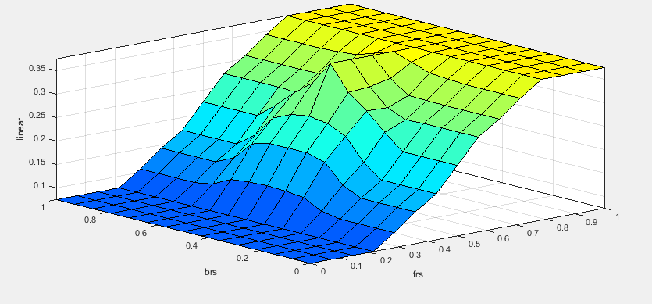 | 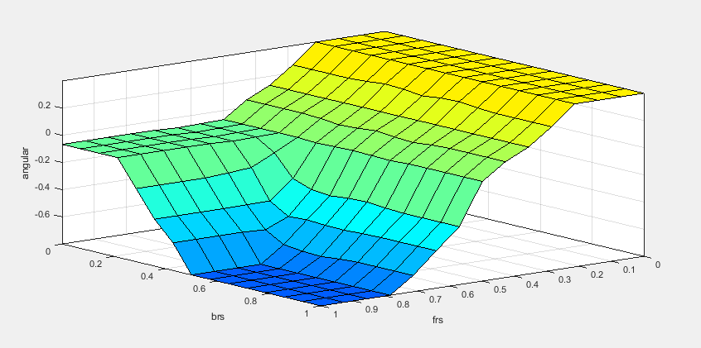 | Robot moves in a smooth manner as excepted
2 | low = [0.0 0.4 0.5] med = [0.4 0.5 0.6] high = [0.5 0.6 1.0] | low = [0.0 0.4 0.5] med = [0.4 0.5 0.6] high = [0.5 0.6 1.0] | prod | frs brs - .x .y L L - S L L M - S L L H - S L M L - M F M M - F F M H - M F H L - F F H M - F F H H - F R | slow = 0.075 med = 0.225 fast = 0.375 | right = -0.8 forward = 0.0 left = 0.4 | 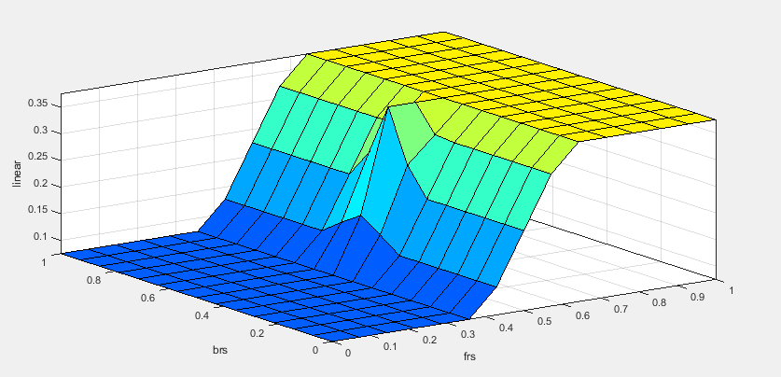 | 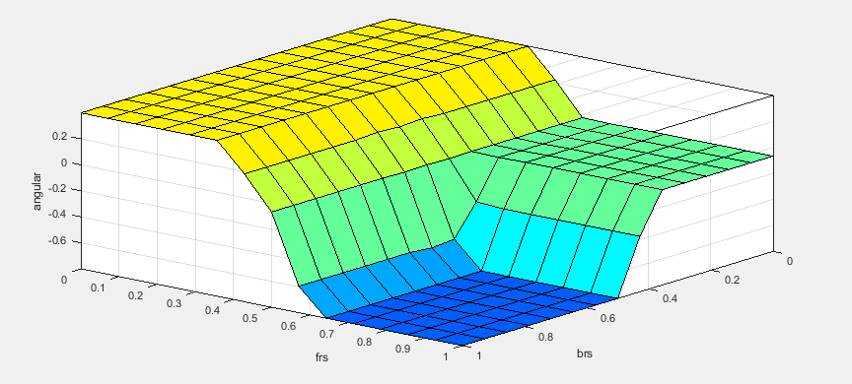 | Since the region is narrow, I find some oscillations while the robot is moving
3 | low = [0.0 0.4 0.5] med = [0.4 0.5 0.6] high = [0.5 0.6 1] | low = [0.0 0.4 0.5] med = [0.4 0.5 0.6] high = [0.5 0.6 1] | prod | frs brs - .x .y L L - S L L M - S L L H - S L M L - M F M M - F F M H - M F H L - F F H M - F F H H - F R | slow = 0.075 med = 0.225 fast = 0.375 | right = -0.8 forward = 0.0 left = 0.8 | 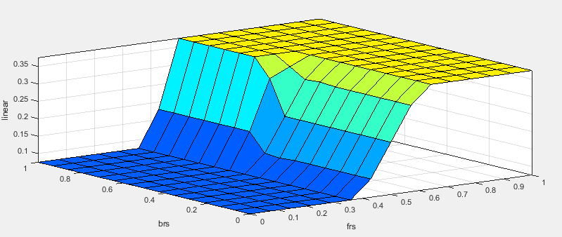 | 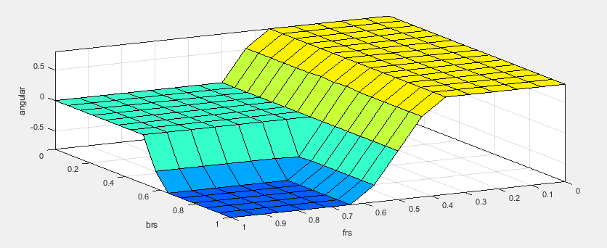 | Since the region is narrow, I find some oscillations while the robot is moving
4 | low = [0.0 0.4 0.5] med = [0.4 0.5 0.6] high = [0.5 0.6 1.0] | low = [0.0 0.4 0.5] med = [0.4 0.5 0.6] high = [0.5 0.6 1.0] | prod | frs brs - .x .y L L - S L L M - S L L H - S L M L - M F M M - F F M H - M R H L - F F H M - F R H H - F R | slow = 0.075 med = 0.225 fast = 0.375 | right = -0.8 forward = 0.0 left = 0.8 | 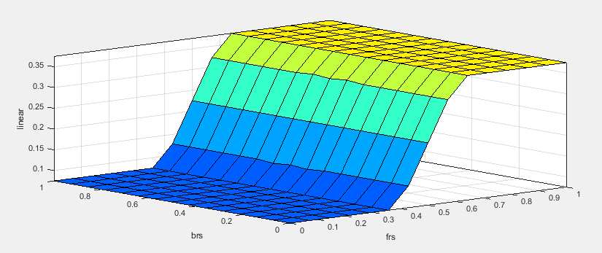 | 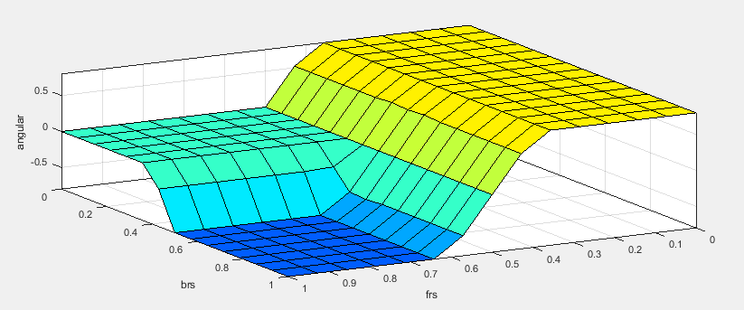 | Since the region is narrow, I find some oscillations while the robot is moving and also left and right turns were sharp
5 | low = [0.0 0.4 0.5] med = [0.4 0.5 0.6] high = [0.5 0.6 1.0] | low = [0.0 0.4 0.5] med = [0.4 0.5 0.6] high = [0.5 0.6 1.0] | prod | frs brs - .x .y L L - S L L M - S L L H - S L M L - M F M M - M F M H - M R H L - F R H M - F R H H - F R | slow = 0.075 med = 0.225 fast = 0.375 | right = -0.8 forward = 0.0 left = 0.8 | 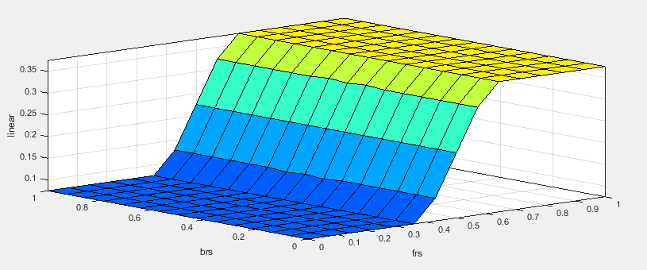 |  | Since the region is narrow, I find some oscillations while the robot is moving and also left and right turns were sharp
6 | low = [0.0 0.4 0.5] med = [0.4 0.5 0.6] high = [0.5 0.6 1.0] | low = [0.0 0.4 0.5] med = [0.4 0.5 0.6] high = [0.5 0.6 1.0] | min | frs brs - .x .y L L - S L L M - S L L H - S L M L - M F M M - M F M H - M R H L - F R H M - F R H H - F R | slow = 0.075 med = 0.225 fast = 0.375 | right = -0.8 forward = 0.0 left = 0.8 | 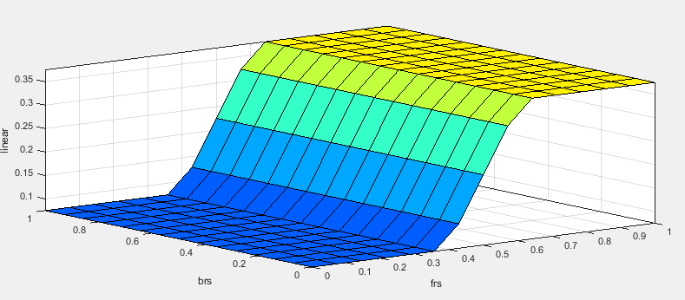 | 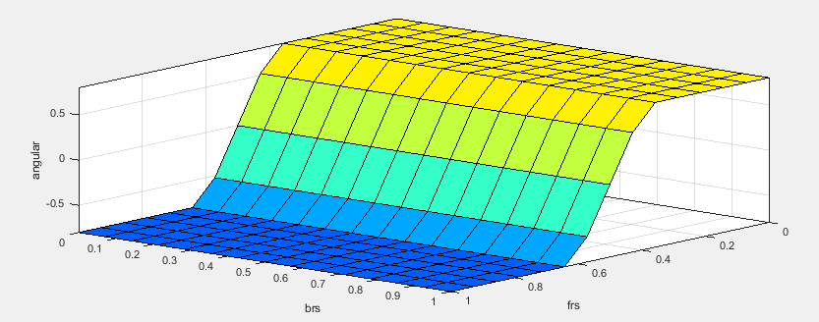 | Since the region is narrow, I find some oscillations while the robot is moving and also left and right turns were sharp

fuzzy_obstacle
Sl. no. | INPUT |  |  |  |  | OUTPUT
 | FRONT1 | FRONT2 | FRONT3 | PROD v/s MUL | RULES | Linear .X | Angular .Y | Linear .X | Angular .Y
1 | low = [0.0 0.25 0.5] med = [0.25 0.5 0.75] high = [0.5 0.75 1] | low = [0.0 0.25 0.5] med = [0.25 0.5 0.75] high = [0.5 0.75 1] | low = [0.0 0.25 0.5] med = [0.25 0.5 0.75] high = [0.5 0.75 1] | prod H L L - S L H L M - S L H L H - S L H M L - S L H M M - S L H M H - S L H H L - S L H H M - M L H H H - F F | Frnt1 Frnt2 Frnt3 - .x .y L L L - S L L L M - S R L L H - S R L M L - S L L M M - S R L M H - S R L H L - S L L H M - S R L H H - S R M L L - S L M L M - S L M L H - S R M M L - S L M M M - S L M M H - S R M H L - S L M H M - S L M H H - S R | slow = 0.05 med = 0.1 fast = 0.15 | right = -0.8 forward = 0.0 left = 0.4 | 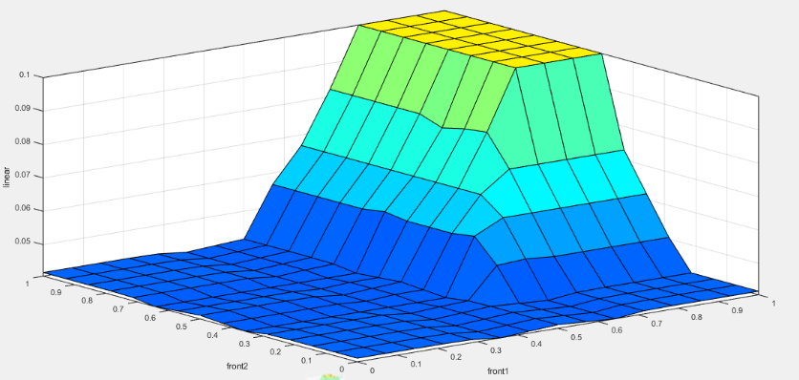 | 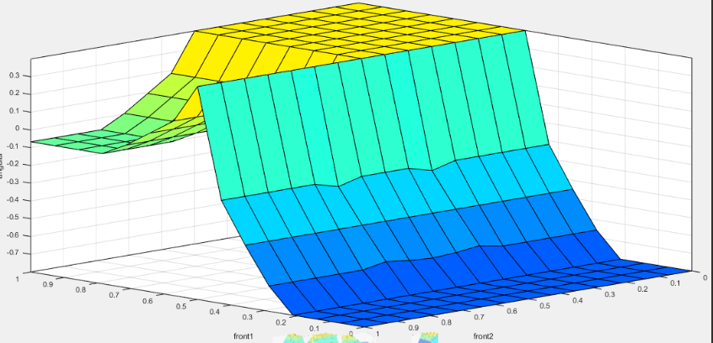
2 | low = [0.0 0.25 0.5] med = [0.25 0.5 0.75] high = [0.5 0.75 1] | low = [0.0 0.25 0.5] med = [0.25 0.5 0.75] high = [0.5 0.75 1] | low = [0.0 0.25 0.5] med = [0.25 0.5 0.75] high = [0.5 0.75 1] | prod H L L - S L H L M - S L H L H - S L H M L - S L H M M - S L H M H - S L H H L - S L H H M - M L H H H - F F | Frnt1 Frnt2 Frnt4 - .x .y L L L - S L L L M - S R L L H - S R L M L - S L L M M - S R L M H - S R L H L - S L L H M - S R L H H - S R M L L - S L M L M - S L M L H - S R M M L - S L M M M - S L M M H - S R M H L - S L M H M - S L M H H - S R | slow = 0.075 med = 0.225 fast = 0.375 | right = -0.8 forward = 0.0 left = 0.8 | 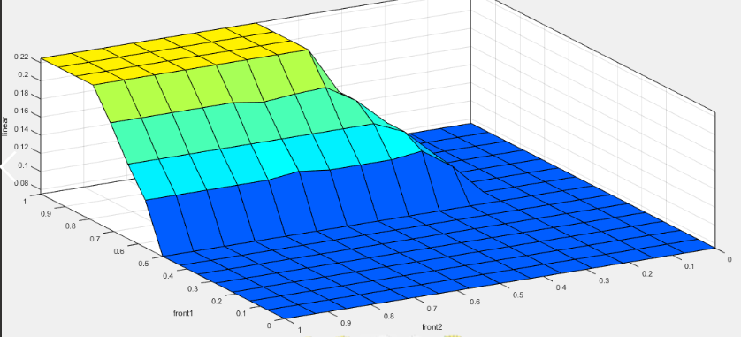 | 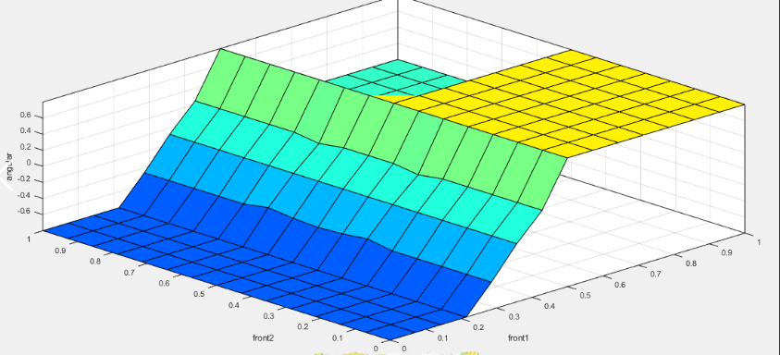
3 | low = [0.0 0.4 0.5] med = [0.4 0.5 0.6] high = [0.5 0.6 1] | low = [0.0 0.4 0.5] med = [0.4 0.5 0.6] high = [0.5 0.6 1] | low = [0.0 0.4 0.5] med = [0.4 0.5 0.6] high = [0.5 0.6 1] | prod H L L - S L H L M - S L H L H - S L H M L - S L H M M - S L H M H - S L H H L - S L H H M - M L H H H - F F | Frnt1 Frnt2 Frnt5 - .x .y L L L - S L L L M - S R L L H - S R L M L - S L L M M - S R L M H - S R L H L - S L L H M - S R L H H - S R M L L - S L M L M - S L M L H - S R M M L - S L M M M - S L M M H - S R M H L - S L M H M - S L M H H - S R | slow = 0.075 med = 0.225 fast = 0.376 | right = -0.8 forward = 0.0 left = 0.8 | 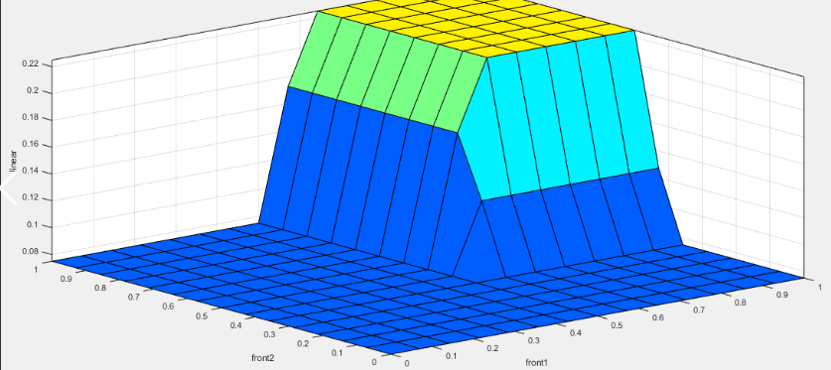 | 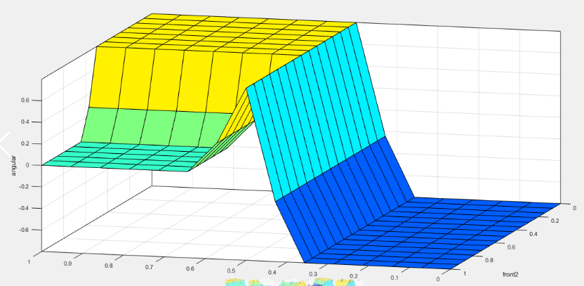
4 | low = [0.0 0.4 0.5] med = [0.4 0.5 0.6] high = [0.5 0.6 1] | low = [0.0 0.4 0.5] med = [0.4 0.5 0.6] high = [0.5 0.6 1] | low = [0.0 0.4 0.5] med = [0.4 0.5 0.6] high = [0.5 0.6 1] | prod H L L - M L H L M - M L H L H - S L H M L - S L H M M - S L H M H - S L H H L - S L H H M - M L H H H - F F | Frnt1 Frnt2 Frnt6 - .x .y L L L - S L L L M - S R L L H - S R L M L - S L L M M - S R L M H - S R L H L - S L L H M - S R L H H - S R M L L - S L M L M - S L M L H - S R M M L - S L M M M - S L M M H - S R M H L - S L M H M - S L M H H - S R | slow = 0.075 med = 0.225 fast = 0.377 | right = -0.8 forward = 0.0 left = 0.8 | 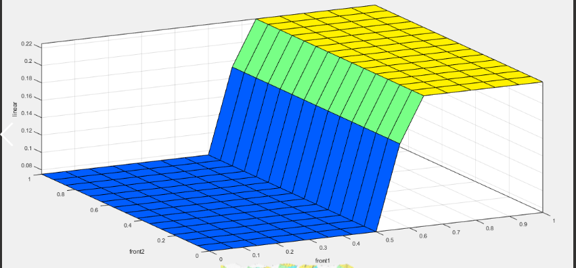 | 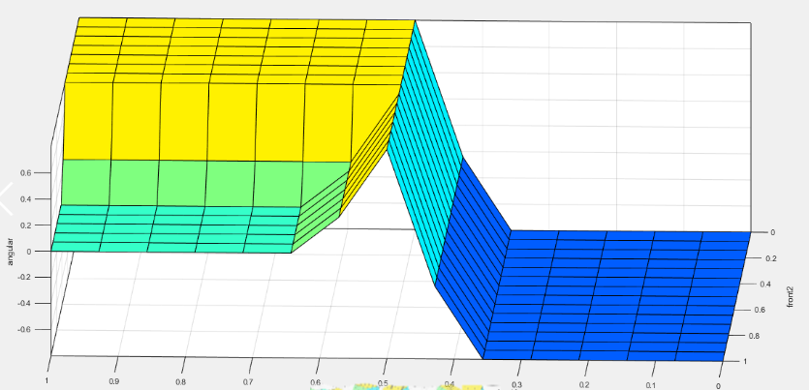
5 | low = [0.0 0.4 0.5] med = [0.4 0.5 0.6] high = [0.5 0.6 1] | low = [0.0 0.4 0.5] med = [0.4 0.5 0.6] high = [0.5 0.6 1] | low = [0.0 0.4 0.5] med = [0.4 0.5 0.6] high = [0.5 0.6 1] | prod H L L - M L H L M - M L H L H - S L H M L - S L H M M - S L H M H - S L H H L - S L H H M - M L H H H - F F | Frnt1 Frnt2 Frnt7 - .x .y L L L - S L L L M - S R L L H - S R L M L - S L L M M - S R L M H - S R L H L - S L L H M - S R L H H - S R M L L - S L M L M - S L M L H - S R M M L - S L M M M - S L M M H - S R M H L - S L M H M - S L M H H - S R | slow = 0.075 med = 0.225 fast = 0.378 | right = -0.8 forward = 0.0 left = 0.4 | 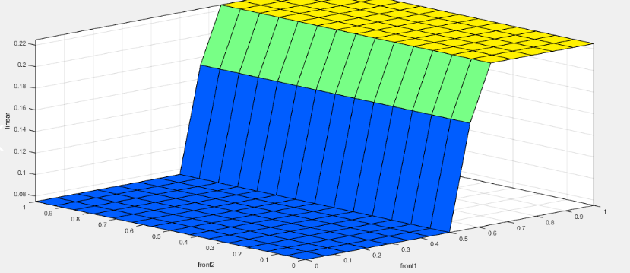 | 